Stats
VCAS General Statistics (For the Pointy Heads)

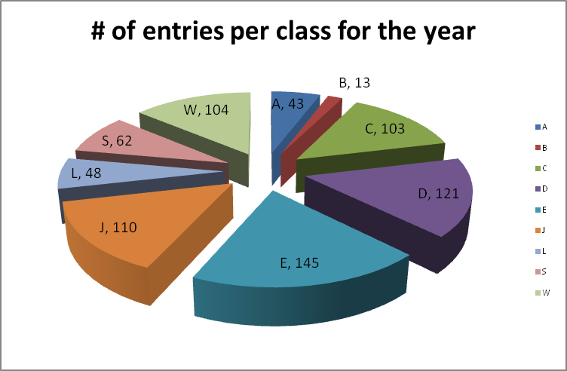
Best viewed together these graphs give an idea of the most populated classes. The fact that both graphes are the same shape says that entries for the year followed roughly the same pattern no matater where the event was.
Traditionally classes C,D, E and J have had the most entries howeever in this yeaer you can see a growing trend towards class W as these cars become cheaper.
My first year in class W, there were essentially 3 competitors for the year.
Another continuing trend that is now more evident than ever is the decline in class A and B cars. Personally I am happy to see this as it validates the committees decision to combine the two classes into one, more competitive class.
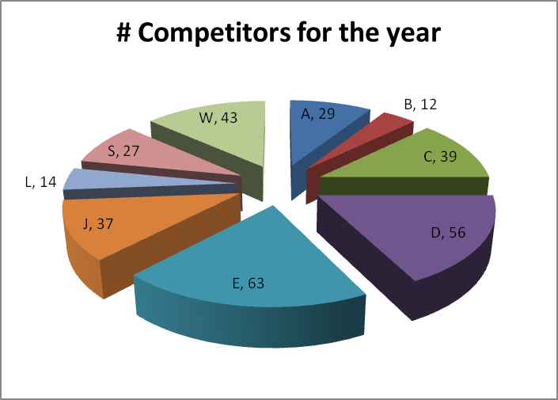

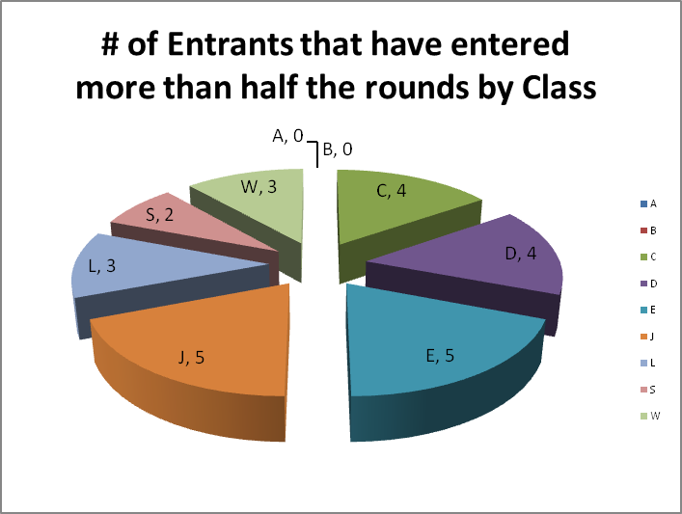
This is the best measure of how competitive a class is that I can find. The basic idea being that if few people are entering more than half the rounds all you have to do to win is turn up to every round.
This is actually the most balanced i have ever seen it. This says that it is not easy to win any class at the moment, you must not only enter the majority of rounds but you also need to do well at them.
This is the best news in the statistics section as it says that we currently have a healthy and vibrant series across the board with exception of the ailing classes A and B which we have already addressed for 2014.

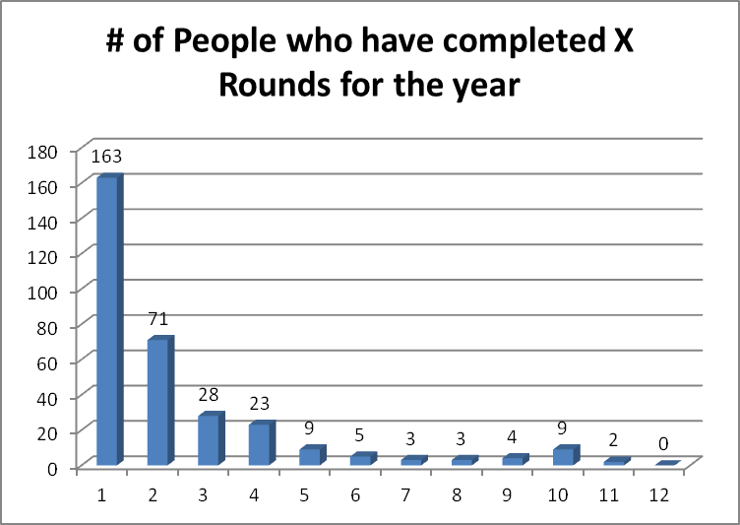
This is a great measure of the health of our series, unfortunately it always makes things look worse than they really are.
The summary says that 26 people have competed in more than half the rounds which is not bad. What is interesting is that this number is staying quite stagnant and has done so for a number of years.
Compared to 2012 we actually have less competors at the high end of the spectrum but more sitting at 3 or 4 rounds for the year. The reduction in those competing in most of the rounds may come down to the tyranny of distance that is slowly afflicting the series with urban sprawl slowly reducing the number of tracks around major centres.
What I would really like to see is many more to the right hand side of the graph and as always we welcome suggestions on how to do this.

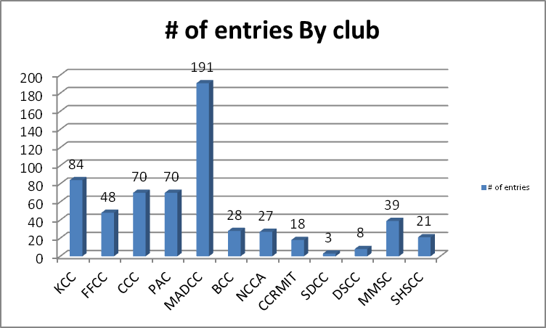
There is one major lesson in here. You can have the most entries but if they are all at your event you still wont win the club championship. The simple reason being that you compete with each other for points. MADCC's 191 entries does point to a very strong club which is evident 3 seconds after drivong through the gate at Boisedale.
Conversely if your club does not have a home your members seem to wander a bit more this can be seen in the good results shown by both PAC and CCC.

